Question 3
Cory Nichols - Experimental Statistics I

The assumptions made were that we had two independent samples of size n1 and n2. Even though the writers technically came from the same population
they were allocated into two different treatment groups. This allows us to establish causation if any difference can be proven statistically (and practically).
Further, our samples from each group produced a difference in mean values that is extremely uncommon assuming the null hypothesis is true. Because
these two groups were treated differently and we wanted to compare the two groups to each other, a two sample t test is in order. A one sample t test
would preface on comparing an obeserved mean with a pre-established known mean in most cases. However, because we used a randomized experiment,
we have established new means and must use a two sample test to determine if the means are truly different.

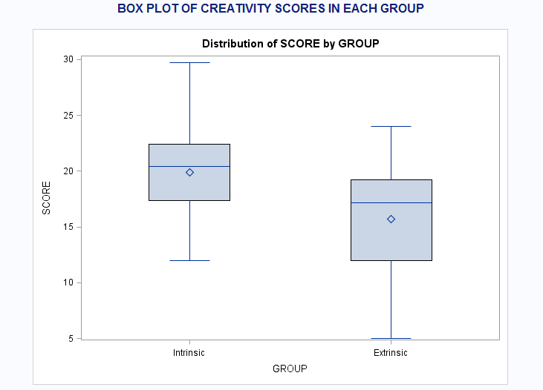

Examining the creativity data via a box plot easily allows us to see that our hypothesis results and the visual box plots are consistent.
Creativity score means and medians are higher in the intrinsic group than in the extrinsic group.

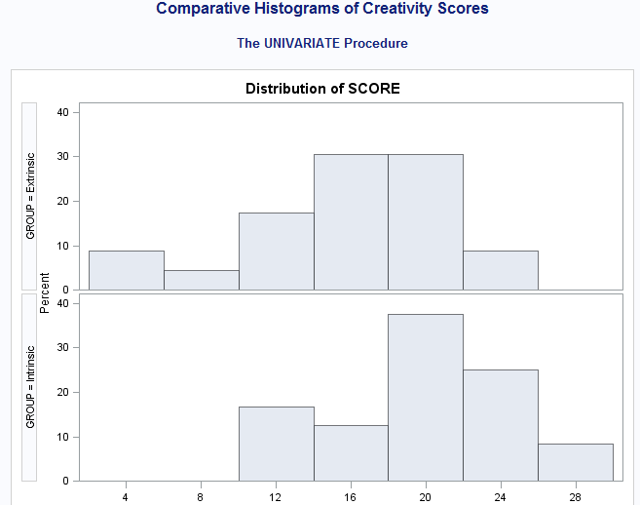

Taking a look at comparative histograms by group also allows us to see the mean relationships between the two groups. Obviously,
the majority of values for the intrinsic group are occurring at higher scores, which supports our hypothesis directly.

SAS Code

PROC IMPORT OUT = CREATIVITY (rename=(VAR1=GROUP VAR2=SCORE))
 |  | DATAFILE = '\\Client\C$\Users\patrickcorynichols\Desktop\Creativity.txt'
 |  | DBMS = TAB REPLACE;
 |  | GETNAMES = NO;
RUN;

PROC TTEST DATA = CREATIVITY sides = 2 ALPHA = 0.01 h0 = 0;
 | CLASS GROUP;
 | VAR SCORE;
 | Title 'Two Sample T Test';
RUN;

proc boxplot data=CREATIVITY;
plot Score*Group;
TITLE 'BOX PLOT OF CREATIVITY SCORES IN EACH GROUP';
run;

proc univariate data=Creativity;
 | class group;
 | histogram;
 | TITLE 'Comparative Histograms of Creativity Scores';
run;

